SELERA OR STIR UP (Syrup)
DATE | INV NO. | DESCRIPTIONS | QTY | BILLS | PRICE | SUBTOTAL | TOTAL | Rp2,886,000
2-Mar-2026 | SO.03-260091 | KOOL KIWI PET 800 ML | 7 | 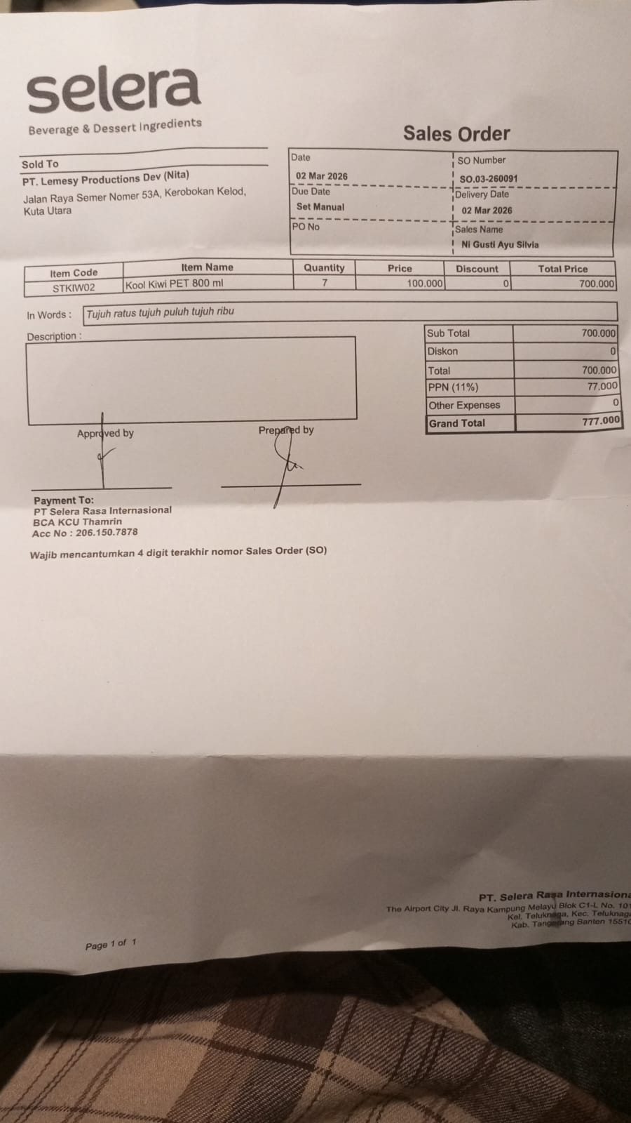 | IDR 100,000 | IDR 700,000 | IDR 700,000
SUB TOTAL |  |  | 7 |  | PPN (11%) |  | IDR 77,000
TOTAL |  |  |  | Rp777,000.00
12-Mar-2026 | SO.03-260108 | MARVELOUSE MANGO PET 800 ML | 4 | 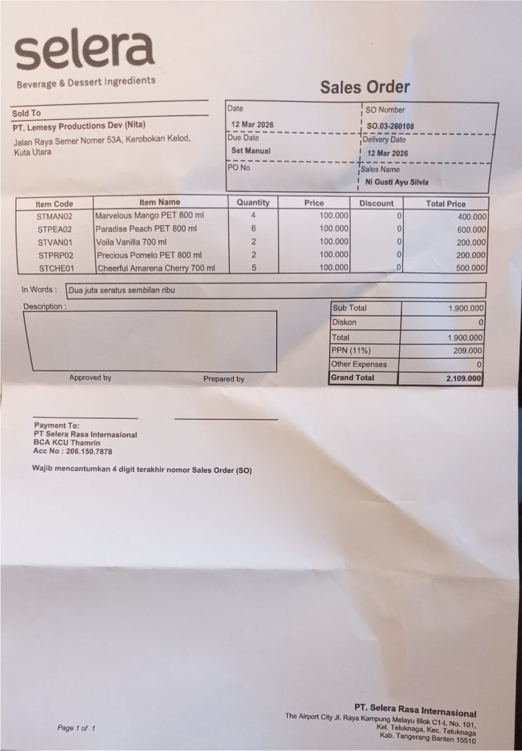 | IDR 100,000 | IDR 400,000 | IDR 1,900,000
 |  | PARADIESE PEACH PET 800 ML | 6 |  | IDR 100,000 | IDR 600,000
 |  | VOILA VANILLA 700 ML | 2 |  | IDR 100,000 | IDR 200,000
 |  | PRECIOUS POMELO PET 800 ML | 2 |  | IDR 100,000 | IDR 200,000
 |  | CHEERFUL AMARENA CHERRY 700 ML | 5 |  | IDR 100,000 | IDR 500,000
SUB TOTAL |  |  | 19 |  | PPN (11%) |  | IDR 209,000
TOTAL |  |  |  | Rp2,109,000.00
 |  |  |  | GRAND TOTAL | Rp2,886,000

